Dashboard
   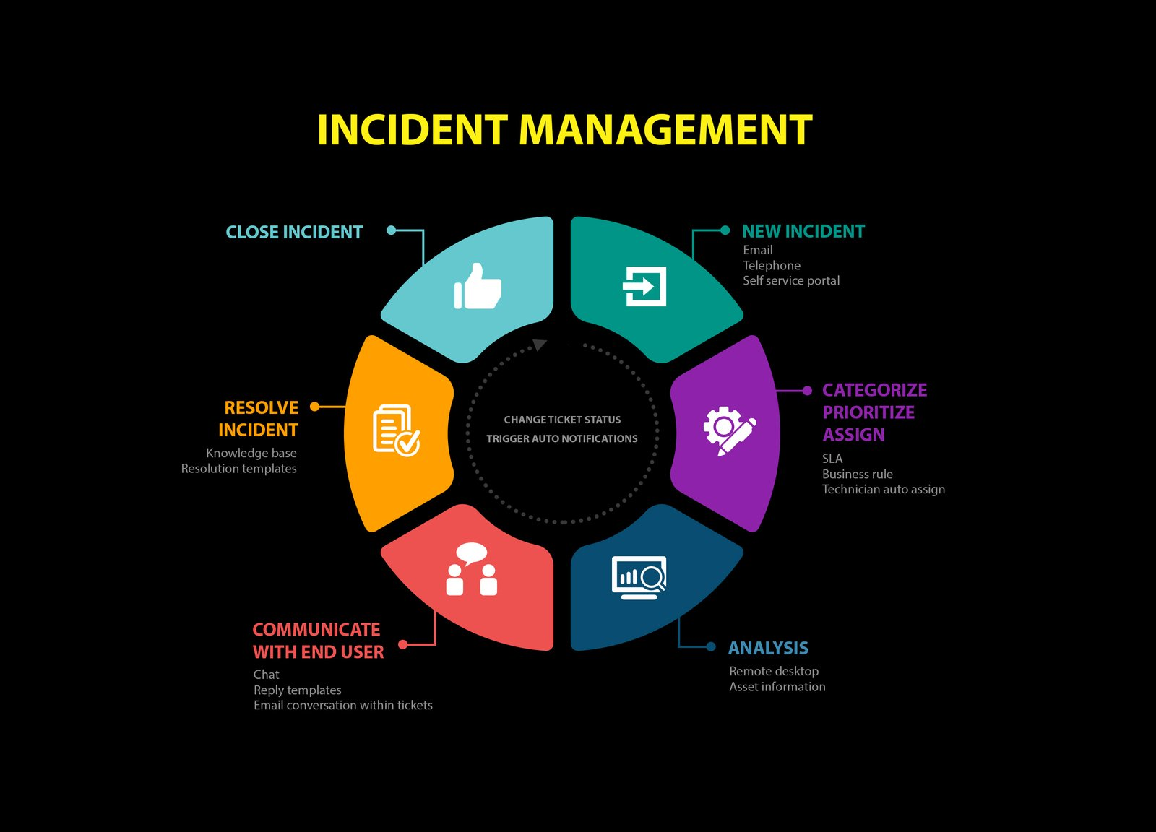 National Incident Reports

Number of Incidents by Region
 | Total
South East | 16.35%
South West | 14.45%
Yorkshire and The Humber | 12.09%
East Midlands | 11.61%
West Midlands | 11.14%
East of England | 9.95%
North West | 8.77%
North East | 8.06%
London | 7.58%
Department by Severity and Number of Incidents
 | High | Medium | Low
Purchasing | 10 | 18 | 5
Fabrication | 19 | 20 | 3
Security | 19 | 20 | 4
Finishing | 23 | 21 | 3
Melting | 25 | 16 | 7
Administration | 17 | 27 | 7
Painting | 27 | 19 | 5
Maintenance | 24 | 25 | 3
Shipping | 19 | 33 | 3
Days Lost by Department and Shift
 | Afternoon | Day | Night
Fabrication | 13.5 | 16 | 24.5
Shipping | 13 | 13.5 | 17.5
Melting | 6.5 | 12 | 23.5
Security | 12.5 | 16 | 10.5
Administration | 12.5 | 12 | 14
Maintenance | 8.5 | 12 | 12
Finishing | 5.5 | 2 | 21
Purchasing | 0.5 | 12.5 | 8.5
Painting | 12.5 | 0 | 0
Days Lost by Department and Shift
 | Afternoon | Day | Night
Fabrication | 13.5 | 16 | 24.5
Shipping | 13 | 13.5 | 17.5
Melting | 6.5 | 12 | 23.5
Security | 12.5 | 16 | 10.5
Administration | 12.5 | 12 | 14
Maintenance | 8.5 | 12 | 12
Finishing | 5.5 | 2 | 21
Purchasing | 0.5 | 12.5 | 8.5
Painting | 12.5 | 0 | 0

Incident Severity by Month
 | High | Medium | Low
Jan | 15 | 11 | 7
Feb | 11 | 19 | 5
Mar | 14 | 15 | 1
Apr | 20 | 16 | 3
May | 16 | 19 | 6
Jun | 21 | 17 | 3
Jul | 17 | 13 | 5
Aug | 18 | 20 | 2
Sep | 9 | 16 | 1
Oct | 14 | 16 | 5
Nov | 12 | 19 | 1
Dec | 16 | 18 | 1

Incident Cost by Region and Number of Incidents
 | Sum of Incident Cost | Number of Incidents
South East | £97,710.00 | 69.00
South West | £91,480.00 | 61.00
East Midlands | £83,518.00 | 49.00
West Midlands | £75,689.00 | 47.00
East of England | £71,511.00 | 42.00
Yorkshire and The Humber | £66,130.00 | 51.00
North West | £56,597.00 | 37.00
London | £31,928.00 | 32.00
North East | £29,709.00 | 34.00

Injury Location by Severity and Number of Incidents
 | High | Medium | Low
Arms | 34 | 33 | 6
Back | 16 | 21 | 3
Legs | 15 | 22 | 3
Feet | 20 | 17 | 2
Trunk | 15 | 21 | 1
Head | 16 | 18 | 3
Multiple | 18 | 10 | 5
Abdomen | 16 | 11 | 5
Eye | 16 | 13 | 1
Hands | 7 | 20 | 3
Neck | 10 | 12 | 6
Stomach |  | 1 | 2

Incident Severity by Month
Incident Severity by Months | Severity Ranking
Date | High | Medium | Low | Grand Total
Jan | 15 | 11 | 7 | 33
Feb | 11 | 19 | 5 | 35
Mar | 14 | 15 | 1 | 30
Apr | 20 | 16 | 3 | 39
May | 16 | 19 | 6 | 41
Jun | 21 | 17 | 3 | 41
Jul | 17 | 13 | 5 | 35
Aug | 18 | 20 | 2 | 40
Sep | 9 | 16 | 1 | 26
Oct | 14 | 16 | 5 | 35
Nov | 12 | 19 | 1 | 32
Dec | 16 | 18 | 1 | 35
Grand Total | 183 | 199 | 40 | 422

Incident Severity by Month

Injury Loc, Severity, Count
Number of Incidents | Severity Ranking
Injury Location | High | Medium | Low | Grand Total
Arms | 34 | 33 | 6 | 73
Back | 16 | 21 | 3 | 40
Legs | 15 | 22 | 3 | 40
Feet | 20 | 17 | 2 | 39
Trunk | 15 | 21 | 1 | 37
Head | 16 | 18 | 3 | 37
Multiple | 18 | 10 | 5 | 33
Abdomen | 16 | 11 | 5 | 32
Eye | 16 | 13 | 1 | 30
Hands | 7 | 20 | 3 | 30
Neck | 10 | 12 | 6 | 28
Stomach |  | 1 | 2 | 3
Grand Total | 183 | 199 | 40 | 422

Injury Location by Severity and Number of Incidents
 | High | Medium | Low
Arms | 34 | 33 | 6
Back | 16 | 21 | 3
Legs | 15 | 22 | 3
Feet | 20 | 17 | 2
Trunk | 15 | 21 | 1
Head | 16 | 18 | 3
Multiple | 18 | 10 | 5
Abdomen | 16 | 11 | 5
Eye | 16 | 13 | 1
Hands | 7 | 20 | 3
Neck | 10 | 12 | 6
Stomach |  | 1 | 2

Incident Cost by Region, Count
Region | Sum of Incident Cost | Number of Incidents
South East | £97,710.00 | 69.00
South West | £91,480.00 | 61.00
East Midlands | £83,518.00 | 49.00
West Midlands | £75,689.00 | 47.00
East of England | £71,511.00 | 42.00
Yorkshire and The Humber | £66,130.00 | 51.00
North West | £56,597.00 | 37.00
London | £31,928.00 | 32.00
North East | £29,709.00 | 34.00
Grand Total | £604,272.00 | 422.00

Incident Cost by Region and Number of Incidents

Department by Severity
Number of Incidents | Severity Ranking
Department | High | Medium | Low | Grand Total
Purchasing | 10 | 18 | 5 | 33
Fabrication | 19 | 20 | 3 | 42
Security | 19 | 20 | 4 | 43
Finishing | 23 | 21 | 3 | 47
Melting | 25 | 16 | 7 | 48
Administration | 17 | 27 | 7 | 51
Painting | 27 | 19 | 5 | 51
Maintenance | 24 | 25 | 3 | 52
Shipping | 19 | 33 | 3 | 55
Grand Total | 183 | 199 | 40 | 422

Department by Severity and Number of Incidents

Days Lost, Department, Shift
Days Lost by Department and Shift
Sum of Days Lost | Column Labels
Shift / Department | Afternoon | Day | Night | Grand Total
Fabrication | 13.5 | 16 | 24.5 | 54
Shipping | 13 | 13.5 | 17.5 | 44
Melting | 6.5 | 12 | 23.5 | 42
Security | 12.5 | 16 | 10.5 | 39
Administration | 12.5 | 12 | 14 | 38.5
Maintenance | 8.5 | 12 | 12 | 32.5
Finishing | 5.5 | 2 | 21 | 28.5
Purchasing | 0.5 | 12.5 | 8.5 | 21.5
Painting | 12.5 | 0 | 0 | 12.5
Grand Total | 85 | 96 | 131.5 | 312.5

Incidents by Region
Region | Number of Incidents
South East | 16.35%
South West | 14.45%
Yorkshire and The Humber | 12.09%
East Midlands | 11.61%
West Midlands | 11.14%
East of England | 9.95%
North West | 8.77%
North East | 8.06%
Number of Incidents by Region
London | 7.58%
Grand Total | 100.00%

